TC - Validate Search Box
JIRA TITLE / CODE | TEST CODE | Writer | Functional Group | Test Condition | Step |  | Expected Result | Test result (Y(pass) or N (not pass)) | Explain if the result is No | Documentation Bug | Reproducibility rate
 |  |  |  |  | Action | Data
Test validate Search box - 01 | TC-01 | Achmad Fardhony | Testing the search box by entering the search text "Lima waktu" | Connection to the internet | open the application |  | Application opens successfully | pass |  |  | 5 out of 5 attempt or 100%
 |  |  |  | already have an account | enter text in the search box | "Lima waktu" | successfully entered text | pass
 |  |  |  | already logged in | clicked button "Cari" |  | button is successfully clicked | pass
 |  |  |  |  | scroll down |  | successfully scroll down | pass
 |  |  |  |  | verify element |  | bring up items or food that contain the word "lima waktu" | pass
 |  |  |  |  | press back |  | button is successfully clicked | pass |  |  | 5 out of 5 attempt or 80%
Test validate Search box - 02 | TC-02 | Achmad Fardhony | Testing the search box by entering the search text "Molten" | Connection to the internet | open the application |  | Application opens successfully | pass
 |  |  |  | already have an account | enter text in the search box | "Molten" | successfully entered text | pass
 |  |  |  | already logged in | clicked button "Cari" |  | button is successfully clicked | pass
 |  |  |  |  | verifiy element |  | bring up items or food that contain the word "molten" | not pass | The element that appears does not contain the word molten but ventella | 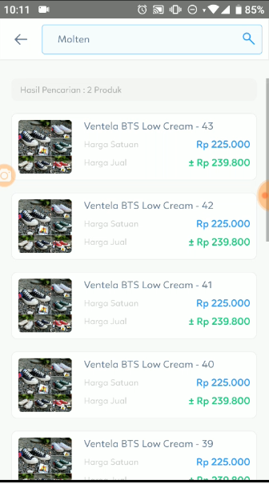
 |  |  |  |  | clicked button "Cari" |  | button is successfully clicked | pass
 |  |  |  |  | verifiy element |  | bring up items or food that contain the word "molten" | pass
Test validate Search box - 03 | TC-03 | Achmad Fardhony | Testing the search box by entering the search text "Nutella" | Connection to the internet | open the application |  | Application opens successfully | pass |  |  | 5 out of 5 attempt or 100%
 |  |  |  | already have an account | enter text in the search box | "Nutella" | successfully entered text | pass
 |  |  |  | already logged in | clicked button "Cari" |  | button is successfully clicked | pass
 |  |  |  |  | verifiy element |  | bring up items or food that contain the word "nutella" | pass
 |  |  |  |  | press back |  | button is successfully clicked | pass
Test validate Search box - 04 | TC-04 | Achmad Fardhony | Testing the search box by entering the search text "Seafood" | Connection to the internet | open the application |  | Application opens successfully | pass |  |  | 5 out of 5 attempt or 80%
 |  |  |  | already have an account | enter text in the search box | "Seafood" | successfully entered text | pass
 |  |  |  | already logged in | clicked button "Cari" |  | button is successfully clicked | pass
 |  |  |  |  | verifiy element |  | bring up items or food that contain the word "Seafood" | not pass | The element that appears does not contain the word molten but roti | 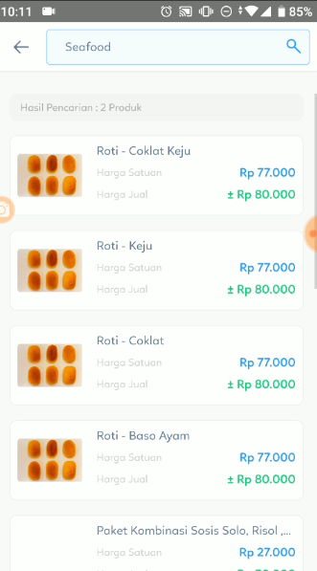
 |  |  |  |  | Scroll Down |  | successfully scroll down | pass

